BOYS
BOYS' SOCK INVENTORY

ITEM |  | SHORT ITEM | GENDER | BRAND | DESCRIPTION | FABRICATION | COLOR | SIZE | UPC | PAIRS/PACK | CASES | CASE PACK | PACKS | PAIRS

GLSB350-6BGHT-02 | 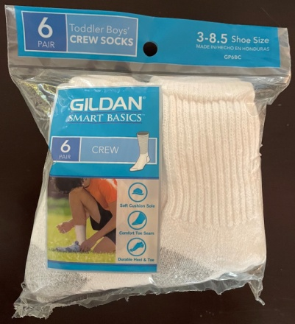 | 1128431 | BOYS' | GILDAN SMART BASICS | TODDLER BOYS' 6 PACK HALF CUSHION CREW SOCKS | 79% COTTON/14% POLYESTER/5% NYLON/2% SPANDEX | OPTIC WHITE | 5-6.5 | 883096148296 | 6 | 288 | 39 | 11,232 | 67,392
808SBR6319961 | 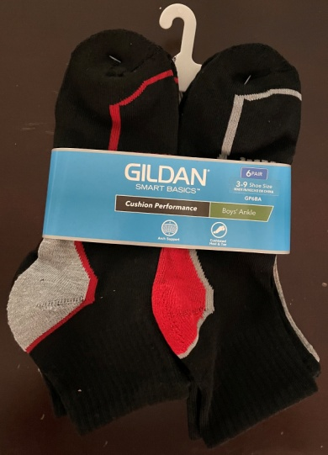 | 1284388 | BOYS' | GILDAN SMART BASICS | BOYS' 6 PACK CUSHION PERFORMANCE ANKLE SOCKS | 96% POLYESTER/4% SPANDEX | ASSORTED | 9-11 | 883096598411 | 6 | 331 | 30 | 9,930 | 59,580
808SBR5507960 | 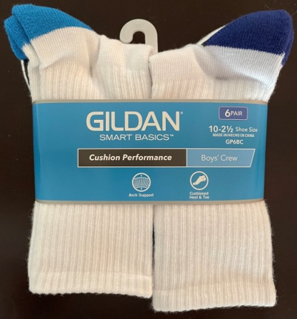 | 1284386 | BOYS' | GILDAN SMART BASICS | BOYS' 6 PACK CUSHION PERFORMANCE CREW SOCKS | 96% POLYESTER/4% SPANDEX | ASSORTED | 7-8.5 | 883096597407 | 6 | 208 | 36 | 7,488 | 44,928
GLSB630-6BGHT-02 | 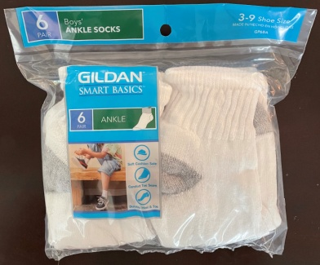 | 1150188 | BOYS' | GILDAN SMART BASICS | BOYS' 6 PACK HALF CUSHION ANKLE SOCKS | 78% COTTON/20% POLYESTER/1% NYLON/1% SPANDEX | OPTIC WHITE | 9-11 | 883096148197 | 6 | 156 | 27 | 4,212 | 25,272
808SBR4316961 | 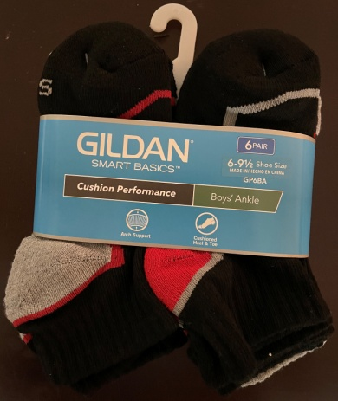 | 1284382 | BOYS' | GILDAN SMART BASICS | BOYS' 6 PACK CUSHION PERFORMANCE ANKLE SOCKS | 96% POLYESTER/4% SPANDEX | ASSORTED | 6-7.5 | 883096598398 | 6 | 67 | 48 | 3,216 | 19,296
GLSB530-6BGHT | 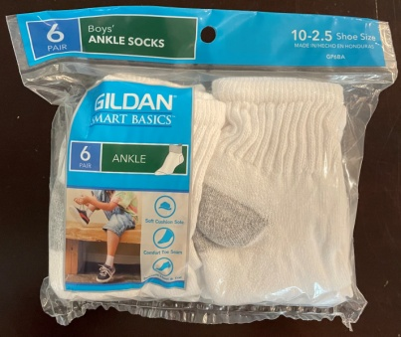 | 1150171 | BOYS' | GILDAN SMART BASICS | BOYS' 6 PACK HALF CUSHION ANKLE SOCKS | 81% COTTON/17% POLYESTER/1% NYLON/1% SPANDEX | OPTIC WHITE | 7-8.5 | 883096148227 | 6 | 83 | 27 | 2,241 | 13,446
GLSB510-6BBGHT-02 | 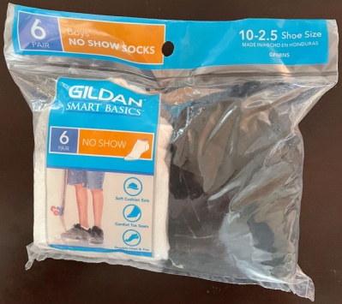 | 1128432 | BOYS' | GILDAN SMART BASICS | BOYS' 6 PACK HALF CUSHION NO SHOW SOCKS | 74% COTTON/23% POLYESTER/1% NYLON/1% SPANDEX/1% ELASTIC | ASSORTED | 7-8.5 | 883096148241 | 6 | 31 | 36 | 1,116 | 6,696
808SBR4506960 |  | 1284383 | BOYS' | GILDAN SMART BASICS | 808SBR4506960 GTM BOYS |  | ASSORTED | 6-7.5 | 883096597391 | 6 | 30 | 36 | 1,080 | 6,480
808SBR5307961 |  | 1284385 | BOYS' | GILDAN SMART BASICS | 808SBR5307961 GTM BOYS |  | ASSORTED | 7-8.5 | 883096598404 | 6 | 27 | 36 | 972 | 5,832
808SBR6309960 |  | 1284387 | BOYS' | GILDAN SMART BASICS | 808SBR6309960 GTM BOYS |  | ASSORTED | 9-11 | 883096597384 | 6 | 28 | 30 | 840 | 5,040
808SBR5307960 |  | 1284384 | BOYS' | GILDAN SMART BASICS | 808SBR5307960 GTM BOYS |  | ASSORTED | 7-8.5 | 883096597377 | 6 | 17 | 36 | 612 | 3,672
808SBR4306960 |  | 1284381 | BOYS' | GILDAN SMART BASICS | 808SBR4306960 GTM BOYS |  | ASSORTED | 6-7.5 | 883096597360 | 6 | 10 | 48 | 480 | 2,880
STR618R-960 |  | 1300378 | BOYS' | STARTER | STR618R-960 BOYS ANKLE HC |  | OPTIC WHITE | 9-11 | 883096668039 | 6 | 8 | 24 | 192 | 1,152
GLSB640-6BGHT |  | 1217218 | BOYS' | GILDAN SMART BASICS | GLSB640-6BGHT MIDCR BOYS HC |  | OPTIC WHITE | 9-11 | 883096541707 | 6 | 5 | 18 | 90 | 540
GLSB650-6BGHT-02 |  | 1150189 | BOYS' | GILDAN SMART BASICS | GLSB650-6BGHT-02 BOYS CREW HC |  | OPTIC WHITE | 9-11 | 883096148203 | 6 | 3 | 18 | 54 | 324
802STR4346960-02 |  | 1128449 | BOYS' | STARTER | 802STR4346960-02 |  | ASSORTED | 7-8.5 | 883096339014 | 6 | 1 | 24 | 24 | 144
802STR416W170WM |  | 1158007 | BOYS' | STARTER | 802STR416W170WM SRTER P6 NO SH |  | ASSORTED | 6-7.5 | 883096343332 | 6 | 1 | 24 | 24 | 144

 |  |  |  |  | SUBTOTAL BOYS' 6 PACKS |  |  |  |  |  | 1,294 |  | 43,803 | 262,818

FOB STATESBORO, GA

 |  |  |  |  |  | .

